Max Volumetric Speed
Max Volumetric Speed

Video Guide

References: | https://github.com/SoftFever/OrcaSlicer/wiki/Calibration#max-volumetric-speed

Legend:
 | DO NOT EDIT
 | Edit to Suit
 | User Input

Steps:
 | 1 | Open OrcaSlicer
 | 2 | Go to "Calibration" -> "More..." -> "Max Flowrate
 | 3 | Fill out "Max volumetric speed test" dialog
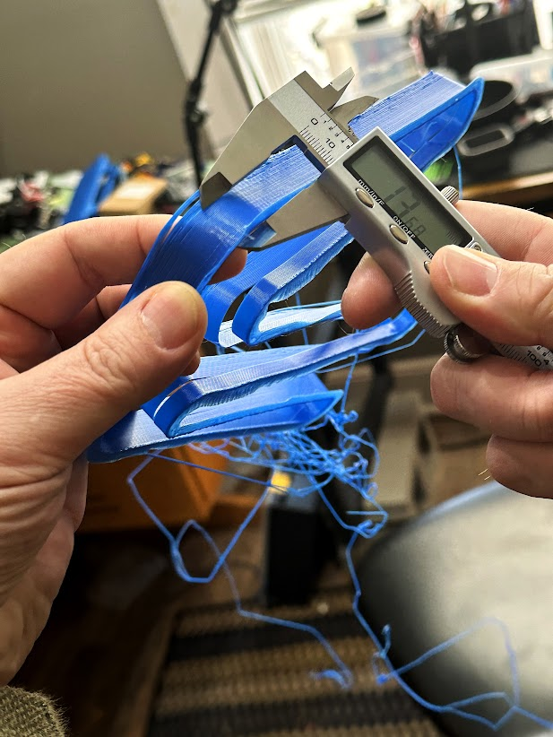
 | 4 | Print Model
 | 5 | Measure with Calipers to spot on model before the print starts to fail
 | 4 | Paste Max Flow Value into Orca Slicer Filament Section

 | max flow value = | start + (height-measured * step)

 | Max Flow Value = | Start + | (Height Measured * | step)
 | 18.615 | 5 | 27.23 | 0.5

 | 5% = | 17.68425
 | 10% = | 16.7535

